Sarecta 24 Hour Average
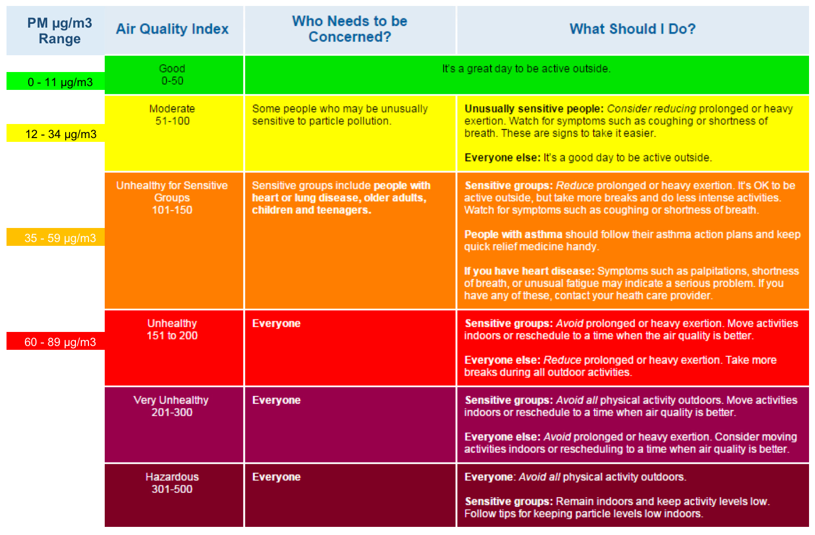
Date & Time | PM25 µg/m3

9/1/19 | 4.5
9/2/19 | 4.5
9/3/19 | 3.2 <
9/4/19 | SA
9/5/19 | SA
9/6/19 | SA
9/7/19 | SA
9/8/19 | SA
9/9/19 | SA
9/10/19 | SA
9/11/19 | SA
9/12/19 | 11.4 <
9/13/19 | 9.2
9/14/19 | 4.7
9/15/19 | 3.1
9/16/19 | 6.2
9/17/19 | 4.8
9/18/19 | 3.7
9/19/19 | 4.3
9/20/19 | 4.2
9/21/19 | 6.8
9/22/19 | 5.9
9/23/19 | 5.1
9/24/19 | 7.1
9/25/19 | 6.4
9/26/19 | 9
9/27/19 | 10.2
9/28/19 | 8.1
9/29/19 | 11.5
9/30/19 | 11.2
Minimum | -5
MinDate | 2019-09-01
Maximum | 41
MaxDate | 2019-09-13
Avg | NA
Num | NA
Data[%] | NA
STD | NA

